StreetBond Coating Calculator
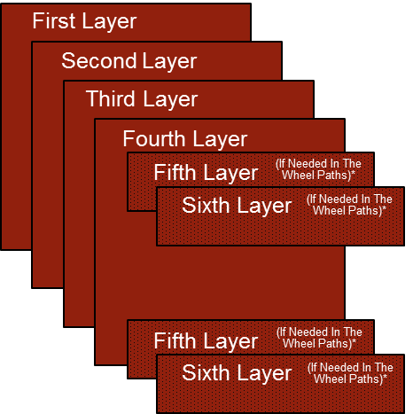
StreetBond Estimating Guide |  |  | Only YELLOW cells can be changed
1 unit of StreetBond150 or 120 consists of a 5 gal pail and a quart/pint part B unit. Colorant units are sold separately. When all components are mixed, material per unit equals approximately 4 gallons. When calculating the amount of material needed refer to units as that is how it is sold. One Drum contains 12 units.

StreetBond150 Vehicular Use (Warranty Available)
Possible Product Options | Coverage rate (ft2 per unit) |  | Coverage rate (ft2 per gallon) | Area (ft2) | Units Needed Per Layer
StreetBond150
Complete System | 150 |  | 38 | 10,000
First Layer | 600 |  | 150 | 10,000 | 16.67
Second Layer | 600 |  | 150 | 10,000 | 16.67
Third Layer | 600 |  | 150 | 10,000 | 16.67
Fourth Layer | 600 |  | 150 | 10,000 | 16.67
Fifth Layer (if need in wheel paths) | 600 |  | 150 | 2,000 | 3.33
Sixth Layer (if need in wheel paths) | 600 |  | 150 | 2,000 | 3.33
StreetBond150 is recommended for both Stamped and Flat surface in asphalt parking lots, crosswalks, driveways, pathways, level and raised medians, entryways and asphalt preservation. In vehicular applications at least 4 layers of coating are needed. additional layers may be needed in the wheel paths depending on your climate and traffic volume. Please consult Quest Specifications and Warranty documents. |  |  |  | Units Needed Before Contingency |  | Contingency (%) | TOTAL StreetBond150 Units | TOTAL StreetBond150 Drums
 |  |  |  |  | 74.0 | 10% | 82 | 6.9
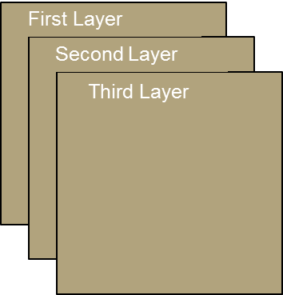

StreetBond150 or 120 Pedestrian Use (Warranty Available)
Possible Product Options | Coverage rate (ft2 per unit) |  | Coverage rate (ft2 per gallon) | Area (ft2) | Units Needed Per Layer
StreetBond150 or 120
Complete System | 200 |  | 50 | 10,000
First Layer | 600 |  | 150 | 10,000 | 16.67
Second Layer | 600 |  | 150 | 10,000 | 16.67
Third Layer | 600 |  | 150 | 10,000 | 16.67
For pedestrian applications either StreetBond150 or StreetBond120 can be used. StreetBond150 has the best performance and provides a longer maintenance cycle. StreetBond120 is suitable for lower traffic pedestrian application such as raised medians and foot paths. |  |  |  | Units Needed Before Contingency |  | Contingency (%) | TOTAL StreetBond150 or 120 Units | TOTAL Drums
 |  |  |  |  | 50 | 10% | 56 | 4.7
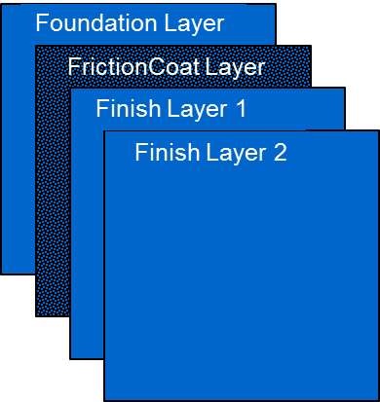
Limited Release 2014
StreetBond Premium System (For High Traffic/High Turning Traffic Areas)
Limited Release 2014 | Coverage rate (ft2 per unit) |  | Coverage rate (ft2 per gallon) | Area (ft2) | Units
StreetBond Premium System |  |  |  | 10,000
Base layer StreetBond150 | 300 |  | 75 | 10,000 | 33.33
Texture Layer (StreetBondFC) | 300 |  | 75 | 10,000 | 33.33
Finish layer 1 | 600 |  | 150 | 10,000 | 16.67
Finish layer 2 | 600 |  | 150 | 10,000 | 16.67
The StreetBond Premium System is composed of several layers of high performance coatings. Each layer contributes to the overall system creating a protective durable long-lasting decorative surface. The StreetBond Premium System consists of a single layer of StreetBond150 creating a foundation for the rest of the system to bond to. StreetBond FrictionCoat makes up the second layer with its large 1.0-1.5mm aggregate matrix, providing extra durability, skid resistance and high point wear surface. The final two finish layers are applied with StreetBond150 to lock down the StreetBond FrictionCoat, increasing durability and creating an even appearance. |  |  |  | Units Needed Before Contingency |  | Contingency (%) | TOTALS
 |  |  |  |  | 67 | 10% | 74 | StreetBond150 Units
 |  |  |  |  | 33 |  | 37 | StreetBondFC (Boxes)

 |  |  |  | For 2014 all StreetBond Premium System Projects will have to vetted by your TSR and the Technical Dept.

StreetBond Adhesion Promoter Concentrate
Coverage rate (ft2 per nominal 1/2 pint unit - diluted with 1 gallon of water) |  |  |  | Area (ft2) | Units (1/2 pint) | Contingency (%) | TOTALS
600 |  |  |  | 10,000 | 16.67 | 5% | 18

StreetBond Adhesion Promoter Concentrate is developed to enhance the adhesion of all StreetBond coatings applied over surfaces with polished aggregates. The Adhesion Promoter bonds the StreetBond coating extremely well to the polished smooth surfaces. Its fast and simple application makes it an easy addition to any project where adhesion may be a concern.

StreetBond Concrete Primer WB |  | (SOLD IN 5 GAL UNITS)
Coverage rate per unit (300 sqft per gal, approximately) |  |  |  | Area (ft2) | Units (5 gal) | Contingency (%) | TOTALS
1500 |  |  |  | 10,000 | 6.67 | 0% | 7

StreetBond Concrete Primer WB is a clear, single component epoxy primer specifically designed to increase the bond for StreetBond coatings to concrete surfaces. Concrete Primer WB protects against destructive salts, oils, solvents and gasoline. Concrete Primer WB is safe to use in commercial settings, has very little odor and is easy to clean up. StreetBond coatings applied over top will handle expected traffic volumes as if they are applied on regular asphalt.

DuraShield
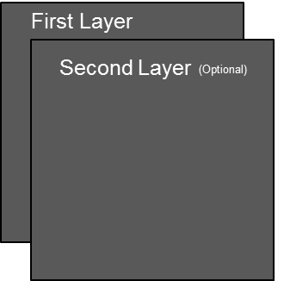
DuraShield Estimating Guide |  | Only YELLOW cells can be changed

DuraShield
Possible Product Options | Selected Coverage rate (ft2 per gallon ) | Coverage rate (ft2 per unit) | Area (ft2) | Gallons Needed Per Layer | Units Needed Per Layer (3.5 gal/Unit)
DuraShield
First Layer | 50 | 175 | 1,000 | 20 | 6
Second Layer | 60 | 210 | - | 0 | 0
• DuraShield by StreetBond (“DuraShield”) is a specialty coating, formulated using high quality 100% acrylic polymer technology, designed to enhance the appearance of asphalt surfaces and to protect the asphalt from degradation due to oxidation from exposure to UV rays and water. DuraShield is designed for parking lot and walkway preservation and beautification |  |  |  |  | Units Needed Before Contingency | Contingency (%) | TOTAL Units | TOTAL Drums
 |  |  |  |  | 6 | 8% | 7 | 0.6

• Coverage rate depends on the asphalt texture, typically 50 to 60 sqft per gallon. Exceptionally rough surfaces may drop the coverage rate future to 40 to 30 sqft per gallon. A test applications should be done to confirm average coverage rate. Second layer will have a higher coverage rate.

• Second Layer is recommended in higher traffic areas

StreetBond Adhesion Promoter Concentrate
Coverage rate (ft2 per nominal 1/2 pint unit - diluted with 1 gallon of water) |  |  | Area (ft2) | Units (1/2 pint) | Contingency (%) | Total Units
600 |  |  | 1,000 | 1.67 | 5% | 2

• StreetBond Adhesion Promoter Concentrate is developed to enhance the adhesion of all StreetBond coatings applied over surfaces with polished aggregates. The Adhesion Promoter bonds the StreetBond coating extremely well to the polished smooth surfaces. Its fast and simple application makes it an easy addition to any project where adhesion may be a concern.

